Sheet1
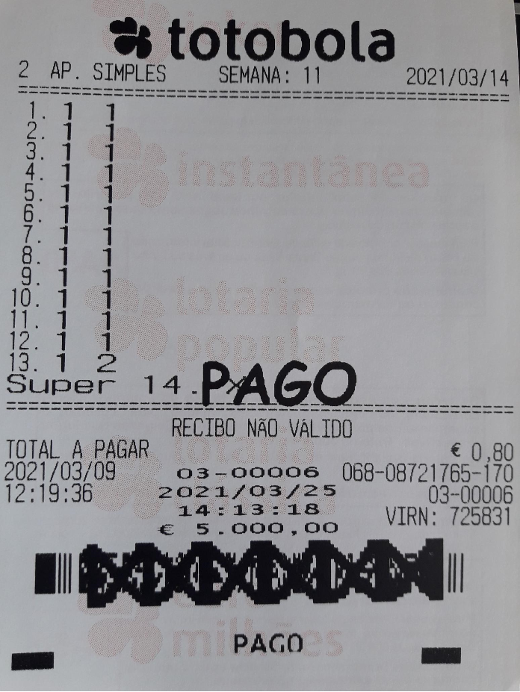
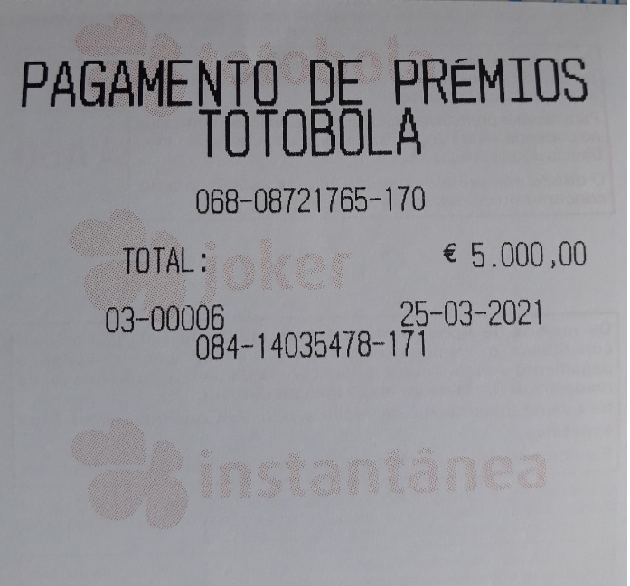
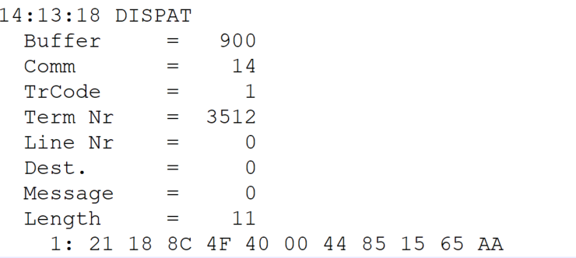
 |  |  |  |  | HEXA | BIN | DEC
TestByte |  | Size | Field Contents
Start | End
1 | 1 | 1 | Control | Sequence | 21 | Control=0010 Sequence=0011 | 2 3 | Control -> x10 - Application Message Sequence -> 3
2 | 2 | 1 | Type = 1 | Subtype = see below | 18 | Type=0001 Subtype=1000 | Type=1 Subtype=8 | Type = 1 Subtype = 8 -> New Validation Inquiry Cash Payment Accepted
3 | 4 | 2 | Checksum |  | 8C 4F |  | 35919 | 35919
5 | 5 | 1 | Statistics (see below) |  | 40 |  |  | x40 = Reader Entry
6 | 7 | 2 | Wager Julian Date |  | 00 44 |  | 68 | 31+28+9=068
8 | 10 | 3 | Wager Serial Number |  | 85 15 65 |  | 8721765 | 08721765
11 | 11 | 1 | Wager Check Digits |  | AA |  | 170 | 170

TestByte |  | Size | Field Contents
Start | End
1 | 1 | 1 | Control | Sequence | 21 | Control=0010 Sequence=0001 | 2 1 | Control -> x10 - Application Message Sequence -> 2
2 | 2 | 1 | Type = 1 | Subtype = see below | 18 | Type=0001 Subtype=1000 | Type=1 Subtype=8 | Type = 1 Subtype = 8 ->New Validation Cash Payment Accepted
3 | 4 | 2 | Checksum |  | 83 74
5 | 7 | 3 | Time |  | 0E 0D 12 |  | 14:13:18 | 14:13:18
8 | 10 | 3 | Validation Serial Number |  | D6 2A 16 |  | 14035478 | 14035478
11 | 11 | 1 | Validation Check Digits |  | AB |  | 171 | 171
12 | 12 | 1 | Game Type |  | 02 |  | 2 | SPRT - Totobola
13 | 13 | 1 | Game Index |  | 01 |  | 1 | Normal
14 | 14 | 1 | Validation Status |  | 0A |  | 10 | 10 = No Exchange Ticket
15 | 18 | 4 | Cash Amount (Validation Units) |  | 00 07 A1 20 |  | 500000 | 500000 cent = 5000 euros
19 | 22 | 4 | Refund Amount (Validation Units) |  | 00 00 00 00 |  | 0 | 0

